Sheet1
PVG TECHNOLOGY
Customer Name:- PVG TECHNOLOGY |  |  |  |  | Color Codes
Project Name:- CLUSTER |  |  |  |  | Updated
Drg Name:- |  |  |  |  | New Added
Drg Part No. : |  |  |  |  | Need to Confirm
Drg Rev. No:- |  |  |  |  | Additional Parts
BOM Rev. No:-
Date:-
Prepared by - Embedded Dept
SR.no. | Component name | Part no. | Specification | Quantity | Component URL | Components Images | Intent
1 | LIN Serial Analyzer | APGDT001 | MICROCHIP LIN Serial Analyzer | 1 | https://www.logicpower.in/product-details.aspx?productid=102 |  | Cluster Development (LIN)
2 | BeagleBone | ‎BBONE-BLACK-4G | BeagleBone Rev C with 4GB Flash Memory | 1 | https://www.amazon.in/Beaglebone-Black-Devkit-BeagleBone-Rev/dp/B00K7EEX2U | 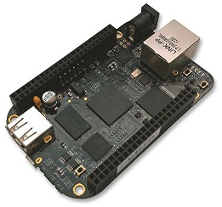 | Infotainment System (Integrated CAN)
3 | MCP2515 CAN Bus Module | Nil | MCP2515 CAN Module TJA1050 Receiver SPI 51 Single Chip Program Routine Arduino | 2 | https://www.amazon.in/VEDHROM-MCP2515-Controller-Receiver-Protocol/dp/B0CKKD1Y7L/ | 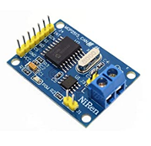 | Cluster Development (CAN)
4 | Raspberry PI 5MP Camera | 100003 | Raspberry PI 5MP Camera Board Module | 1 | https://www.amazon.in/Raspberry-5MP-Camera-Board-Module/dp/B00E1GGE40 | 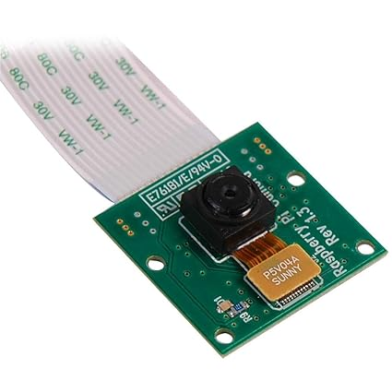 | Infotainment System (ADAS)
5 | Nucleo-64 Development Board | NUCLEO-G071RB | NUCLEO-G071RB, Nucleo-64, 32-Bit, STM32G071RB MCU, Development Board | 1 | https://www.amazon.in/NUCLEO-G071RB-Nucleo-64-32-Bit-STM32G071RB-Development/dp/B0BFLMC7WG | 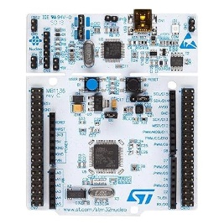 | Cluster Development (Analog)
6 | Raspberry Pi 4 Case | RP000CASE | Raspberry Pi Official Case - ‎Acrylonitrile Butadiene Styrene (ABS) | 1 | https://www.amazon.in/Raspberry-Pi-Official-Case-Model/dp/B08GZXZC7Q | 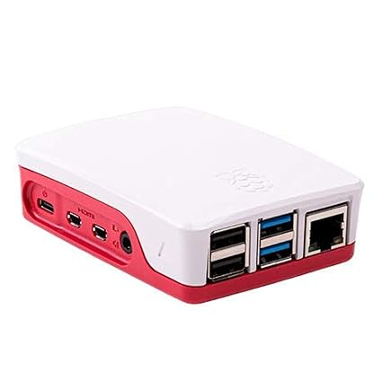 | Infotainment System (ESD Protection)
7 | I2c Oled Display Module | RG0035 | Generic D1286464 Rsi 0.96 Inch 4pin Iic, I2c Oled Display Module | 1 | https://www.amazon.in/Generic-0-96-Display-Module-Arduino/dp/B01GNZEM22 | 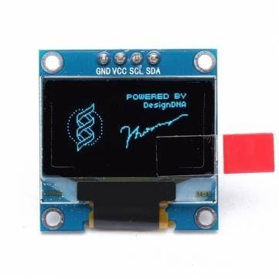 | TFT Cluster
8 | GPRS GSM Module | SIM800LTTL | SIM800L GPRS GSM Module Core Board Quad-band TTL Serial Port with the antenna | 1 | https://www.amazon.in/Robodo-Electronics-SIM800LTTL-Module-Quad-Band/dp/B07B92T3K7 | 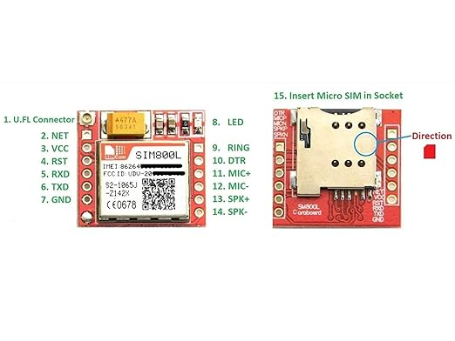 | Telematics
9 | STM Programmer & Debugger | ‎BE-002709 | xcluma ST-LINK v2 STM Programmers Debuggers for STM8 and STM32 | 1 | https://www.amazon.in/xcluma-ST-LINK-Programmers-Debuggers-STM32/dp/B09XHT45SY | 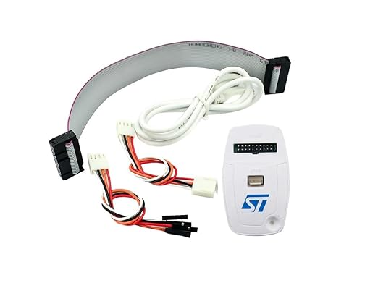 | Cluster Development (Analog)

